Sheet1
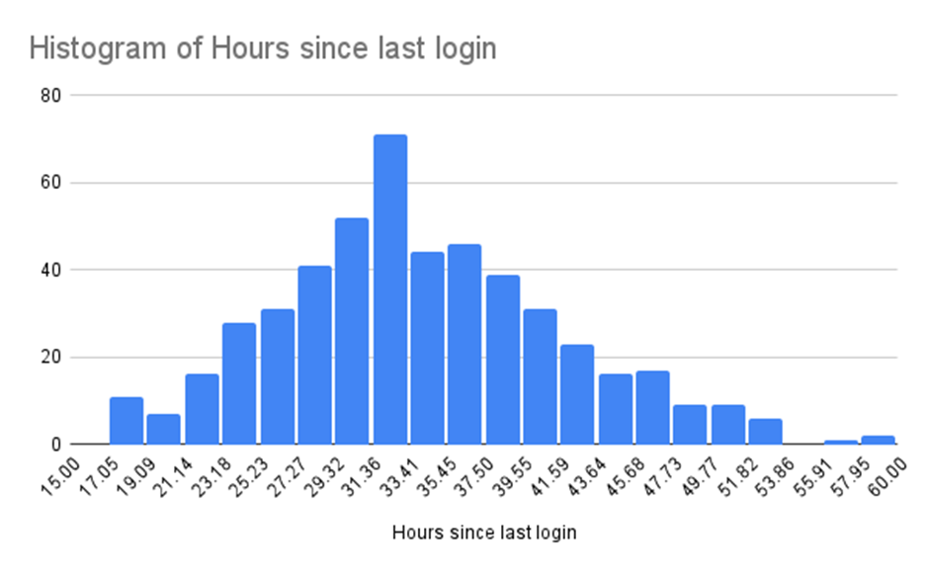
Profile ID | Age | Hours Volunteered | Correlation
19971 | 29 | 186 | -0.04033961816
27485 | 27 | 17
3655 | 35 | 282
12052 | 40 | 313
28096 | 55 | 147
18008 | 46 | 124
36352 | 32 | 249
7970 | 23 | 46
57506 | 20 | 259
32573 | 23 | 293
23335 | 38 | 156
39702 | 20 | 143
58860 | 37 | 3
40443 | 25 | 411
47774 | 47 | 414
38022 | 35 | 139
16205 | 29 | 228
32903 | 28 | 125
43722 | 60 | 320
49157 | 34 | 97
15614 | 26 | 100
33931 | 45 | 232
9194 | 39 | 552
5909 | 33 | 113
44936 | 26 | 67
31799 | 26 | 490
19490 | 38 | 131
55214 | 32 | 62
35704 | 32 | 415
3920 | 33 | 99
8547 | 34 | 124
51294 | 20 | 120
1993 | 37 | 96
29000 | 38 | 71
30089 | 24 | 114
44900 | 30 | 61
2697 | 29 | 65
3091 | 27 | 306
34717 | 34 | 188
10658 | 30 | 239
53194 | 34 | 382
45629 | 26 | 46
35694 | 30 | 89
35726 | 35 | 296
35907 | 21 | 188
217 | 21 | 280
57535 | 34 | 246
4266 | 39 | 284
6843 | 28 | 14
45673 | 30 | 184
23744 | 21 | 41
12756 | 32 | 129
8758 | 39 | 170
44904 | 30 | 25
39452 | 38 | 231
57730 | 31 | 66
23112 | 20 | 175
36025 | 36 | 118
15784 | 39 | 83
28890 | 39 | 251
24025 | 27 | 98
20652 | 26 | 48
52230 | 50 | 209
7028 | 47 | 105
23207 | 37 | 93
540 | 51 | 130
41604 | 33 | 56
38477 | 26 | 68
2269 | 48 | 64
31973 | 19 | 202
18499 | 45 | 127
13746 | 21 | 295
54721 | 51 | 120
3916 | 40 | 225
8502 | 28 | 160
28579 | 34 | 483
36638 | 28 | 104
16408 | 34 | 216
24437 | 27 | 79
5813 | 38 | 120
21177 | 34 | 422
43570 | 38 | 106
5990 | 36 | 261
23356 | 45 | 101
11644 | 23 | 38
53776 | 29 | 220
50526 | 30 | 237
5994 | 28 | 233
25836 | 30 | 216
18279 | 38 | 152
49983 | 37 | 508
9305 | 19 | 518
14113 | 46 | 163
59016 | 20 | 58
13212 | 33 | 407
44585 | 23 | 312
15966 | 32 | 49
18735 | 20 | 514
56205 | 41 | 294
56569 | 37 | 28
16507 | 35 | 56
20889 | 31 | 27
17716 | 24 | 348
24069 | 21 | 51
42686 | 30 | 283
18927 | 32 | 50
6259 | 41 | 332
13812 | 29 | 30
24490 | 30 | 48
59654 | 29 | 97
40036 | 36 | 62
4680 | 24 | 492
10574 | 25 | 135
37089 | 39 | 0
59067 | 40 | 111
22996 | 20 | 124
37729 | 29 | 12
39405 | 32 | 289
15587 | 43 | 227
24097 | 32 | 253
46804 | 40 | 154
22910 | 25 | 354
42459 | 31 | 304
22771 | 29 | 79
33508 | 27 | 194
24589 | 41 | 137
59774 | 30 | 295
38507 | 44 | 4
27393 | 40 | 94
43296 | 29 | 243
10679 | 35 | 131
48324 | 42 | 250
55329 | 39 | 95
45665 | 30 | 113
31368 | 30 | 105
58502 | 60 | 319
58312 | 26 | 25
19230 | 41 | 229
5224 | 32 | 242
31471 | 42 | 442
37621 | 25 | 390
25702 | 23 | 70
41974 | 24 | 154
18722 | 36 | 201
29207 | 28 | 46
33687 | 27 | 211
19391 | 20 | 286
39591 | 34 | 57
44047 | 38 | 434
44739 | 22 | 359
18239 | 43 | 118
26053 | 37 | 131
1766 | 35 | 336
59197 | 26 | 54
44934 | 36 | 10
48664 | 51 | 111
27045 | 28 | 448
4645 | 29 | 492
50528 | 32 | 12
13923 | 27 | 74
59122 | 41 | 98
27829 | 28 | 105
56139 | 32 | 110
49611 | 33 | 26
13090 | 36 | 93
39013 | 29 | 45
48939 | 43 | 134
26281 | 37 | 228
40731 | 44 | 202
47585 | 35 | 103
2579 | 19 | 27
41698 | 35 | 137
58786 | 22 | 56
10988 | 24 | 81
19691 | 25 | 78
57479 | 30 | 86
13798 | 42 | 276
45927 | 26 | 76
35813 | 19 | 133
1425 | 32 | 331
9769 | 32 | 534
15480 | 29 | 30
43473 | 30 | 185
58915 | 40 | 46
54661 | 55 | 4
6161 | 33 | 425
34405 | 32 | 78
19580 | 37 | 273
3548 | 35 | 205
6953 | 30 | 108
35804 | 21 | 37
53062 | 35 | 61
48758 | 30 | 66
55138 | 20 | 160
45079 | 35 | 168
46209 | 23 | 422
15088 | 31 | 9
43394 | 25 | 329
47852 | 37 | 367
24370 | 31 | 300
37966 | 19 | 296
16412 | 35 | 352
43678 | 43 | 151
22236 | 47 | 61
13949 | 32 | 60
7022 | 23 | 460
16689 | 54 | 151
42222 | 31 | 58
22800 | 28 | 151
44442 | 19 | 311
45848 | 44 | 203
29863 | 25 | 68
6696 | 46 | 92
16476 | 42 | 112
50169 | 48 | 158
18968 | 26 | 290
43323 | 33 | 119
27772 | 47 | 181
33098 | 33 | 43
4859 | 29 | 298
16814 | 43 | 110
30540 | 54 | 165
1070 | 30 | 292
42896 | 44 | 21
40283 | 34 | 18
7706 | 48 | 345
41911 | 24 | 170
27303 | 36 | 431
19205 | 34 | 247
14958 | 39 | 45
34438 | 26 | 344
16066 | 38 | 86
2250 | 36 | 404
55581 | 25 | 157
10576 | 35 | 226
29206 | 32 | 149
58594 | 40 | 79
15991 | 42 | 437
35012 | 24 | 200
36124 | 35 | 193
25255 | 28 | 112
28696 | 23 | 4
32427 | 50 | 121
3188 | 43 | 235
33734 | 30 | 54
8230 | 37 | 470
32749 | 30 | 72
44279 | 30 | 109
59412 | 35 | 277
21888 | 23 | 351
17783 | 22 | 50
37451 | 28 | 390
12651 | 30 | 89
4492 | 21 | 290
59367 | 37 | 80
56076 | 58 | 230
58370 | 25 | 97
48117 | 40 | 117
28581 | 34 | 213
23642 | 39 | 111
32989 | 35 | 218
32725 | 30 | 227
5247 | 39 | 72
14481 | 29 | 604
34834 | 37 | 35
47301 | 44 | 212
40408 | 23 | 333
16256 | 21 | 91
8872 | 52 | 84
48393 | 42 | 134
47097 | 39 | 134
459 | 42 | 75
38503 | 30 | 66
40125 | 39 | 13
27603 | 31 | 65
47136 | 32 | 334
21046 | 25 | 7
6991 | 45 | 68
1242 | 40 | 171
24576 | 23 | 125
52999 | 24 | 6
41094 | 42 | 12
22861 | 48 | 23
59289 | 22 | 242
28467 | 29 | 214
20007 | 28 | 72
30359 | 32 | 293
7346 | 35 | 261
37150 | 26 | 247
5191 | 52 | 300
54315 | 31 | 271
23641 | 36 | 493
44439 | 35 | 105
18575 | 45 | 563
31159 | 19 | 180
27801 | 32 | 306
55603 | 52 | 223
25365 | 34 | 14
37297 | 45 | 135
43185 | 26 | 99
32776 | 42 | 30
25285 | 38 | 91
37025 | 42 | 309
32974 | 23 | 205
57630 | 19 | 353
22571 | 31 | 142
50239 | 20 | 346
8819 | 23 | 88
41661 | 29 | 226
14003 | 31 | 158
19657 | 44 | 192
10059 | 39 | 319
51723 | 39 | 276
35939 | 46 | 37
34830 | 32 | 104
16497 | 41 | 54
43260 | 19 | 136
22084 | 33 | 31
58372 | 40 | 214
24720 | 29 | 154
12117 | 19 | 134
14978 | 35 | 253
45740 | 33 | 421
25106 | 39 | 13
55915 | 22 | 192
12203 | 39 | 265
52964 | 30 | 238
38807 | 45 | 89
3378 | 24 | 155
20913 | 31 | 210
6576 | 32 | 73
29450 | 21 | 355
48531 | 40 | 90
15331 | 22 | 297
45173 | 44 | 120
55431 | 43 | 649
7539 | 41 | 57
725 | 21 | 166
41334 | 40 | 396
44145 | 30 | 76
54351 | 60 | 75
25982 | 19 | 314
37022 | 42 | 357
5778 | 32 | 127
16910 | 47 | 65
4720 | 35 | 18
50808 | 31 | 73
44006 | 43 | 136
14369 | 36 | 109
30486 | 44 | 78
2839 | 30 | 139
27516 | 36 | 54
10337 | 44 | 379
35554 | 37 | 102
39287 | 39 | 30
8003 | 34 | 258
9914 | 29 | 286
43495 | 22 | 156
17713 | 28 | 299
4836 | 29 | 149
50950 | 19 | 374
52448 | 28 | 190
19106 | 50 | 352
38993 | 38 | 27
26393 | 24 | 249
30794 | 22 | 41
18814 | 42 | 36
30615 | 21 | 223
57411 | 26 | 290
41837 | 39 | 322
31804 | 50 | 145
44883 | 36 | 49
9488 | 21 | 150
7565 | 33 | 78
45297 | 46 | 156
32739 | 39 | 157
3316 | 39 | 75
54149 | 30 | 232
49036 | 47 | 141
24009 | 33 | 59
27625 | 20 | 10
51642 | 36 | 337
13922 | 30 | 102
33996 | 31 | 338
34998 | 41 | 300
57854 | 30 | 205
48724 | 32 | 419
5995 | 57 | 16
37723 | 35 | 123
16802 | 30 | 438
55345 | 39 | 299
44035 | 38 | 284
32270 | 38 | 330
24552 | 35 | 41
31653 | 40 | 164
4129 | 38 | 48
7831 | 39 | 117
56251 | 33 | 98
46512 | 50 | 12
49666 | 38 | 223
41921 | 24 | 197
46399 | 21 | 257
3011 | 23 | 328
59047 | 35 | 8
51469 | 38 | 371
15984 | 26 | 264
48614 | 30 | 320
29220 | 42 | 130
38827 | 25 | 100
6990 | 29 | 219
55995 | 31 | 123
23040 | 19 | 196
6529 | 38 | 135
32029 | 44 | 126
41206 | 44 | 119
14362 | 33 | 271
33506 | 34 | 224
6505 | 23 | 356
23264 | 32 | 8
48917 | 31 | 506
58941 | 24 | 217
51051 | 43 | 98
5450 | 22 | 124
58823 | 34 | 365
43079 | 44 | 140
2213 | 39 | 171
32738 | 30 | 56
19326 | 36 | 202
35490 | 44 | 305
11706 | 29 | 171
54783 | 37 | 194
55320 | 30 | 165
50627 | 38 | 142
5150 | 39 | 596
39029 | 41 | 155
37780 | 23 | 146
31551 | 22 | 286
29794 | 35 | 54
36339 | 46 | 241
20988 | 39 | 128
20856 | 41 | 83
42334 | 31 | 150
4723 | 31 | 339
26801 | 33 | 174
43418 | 22 | 180
39433 | 52 | 168
30250 | 23 | 157
56965 | 35 | 415
47063 | 39 | 68
1282 | 42 | 38
46133 | 34 | 16
27252 | 41 | 603
27415 | 32 | 237
26352 | 20 | 5
23262 | 20 | 3
51462 | 21 | 201
42515 | 34 | 232
25142 | 46 | 80
22943 | 31 | 43
53903 | 40 | 543
47215 | 43 | 17
15099 | 22 | 99
1075 | 37 | 78
51234 | 45 | 113
20400 | 24 | 179
6072 | 38 | 87
24408 | 22 | 269
53996 | 46 | 61
55009 | 19 | 98
31727 | 33 | 268
28588 | 44 | 47
9236 | 33 | 12
41332 | 29 | 171
41586 | 23 | 118
41248 | 33 | 232
28887 | 31 | 127
52921 | 35 | 133
36619 | 30 | 257
11652 | 46 | 221
44588 | 34 | 94
9343 | 44 | 46
22361 | 40 | 305
5427 | 46 | 179
15682 | 35 | 234
8443 | 30 | 96
58443 | 24 | 408
58961 | 41 | 10
8687 | 28 | 75
29317 | 34 | 78
37538 | 27 | 100
2986 | 37 | 68
49210 | 41 | 402
55679 | 57 | 407
37561 | 50 | 475
18658 | 43 | 86
48783 | 38 | 272
59148 | 44 | 67
41884 | 25 | 278
10864 | 34 | 487
50839 | 25 | 95

